Benchmark Results
Symmetric Cipher Benchmark Results
CPU Encryption & Decryption Time (seconds) — AES vs ARIA vs CAMELLIA
Cipher | Key Size | Mode | Data Size | Encrypt Time (s) | Decrypt Time (s) | Total Time (s)
Data Size: 100 MB
AES | 128-bit | ECB | 100 MB | 0.093172 | 0.094134 | 0.187306
AES | 128-bit | CBC | 100 MB | 0.074839 | 0.017927 | 0.092766
AES | 128-bit | OFB | 100 MB | 0.094149 | 0.094851 | 0.189
ARIA | 128-bit | ECB | 100 MB | 0.922594 | 0.896575 | 1.819169
ARIA | 128-bit | CBC | 100 MB | 0.942013 | 0.879708 | 1.821721
ARIA | 128-bit | OFB | 100 MB | 0.916718 | 0.905559 | 1.822277
CAMELLIA | 128-bit | ECB | 100 MB | 0.639325 | 0.645173 | 1.284498
CAMELLIA | 128-bit | CBC | 100 MB | 0.659361 | 0.649044 | 1.308405
CAMELLIA | 128-bit | OFB | 100 MB | 0.651201 | 0.651035 | 1.302236
AES | 256-bit | ECB | 100 MB | 0.019555 | 0.022525 | 0.04208
AES | 256-bit | CBC | 100 MB | 0.098450 | 0.018648 | 0.117098
AES | 256-bit | OFB | 100 MB | 0.116483 | 0.116871 | 0.233354
ARIA | 256-bit | ECB | 100 MB | 1.160974 | 1.282902 | 2.443876
ARIA | 256-bit | CBC | 100 MB | 1.301922 | 1.269951 | 2.571873
ARIA | 256-bit | OFB | 100 MB | 1.135527 | 1.130692 | 2.266219
CAMELLIA | 256-bit | ECB | 100 MB | 0.850854 | 0.840246 | 1.6911
CAMELLIA | 256-bit | CBC | 100 MB | 0.830258 | 0.818516 | 1.648774
CAMELLIA | 256-bit | OFB | 100 MB | 0.838758 | 0.844782 | 1.68354

1000 MB

Symmetric Cipher Benchmark Results (1000MB)
CPU Encryption & Decryption Time (seconds) — AES vs ARIA vs CAMELLIA
Cipher | Key Size | Mode | Data Size | Encrypt Time (s) | Decrypt Time (s) | Total Time (s)
AES-ECB-128 | 128-bit | ECB | 1000MB | 0.69184 | 0.751572 | 1.443412
AES-CBC-128 | 128-bit | CBC | 1000 MB | 0.734233 | 0.161019 | 0.895252
AES-OFB-128 | 128-bit | OFB | 1000 MB | 0.843333 | 0.871011 | 1.714344
ARIA-ECB-128 | 128-bit | ECB | 1000 MB | 8.220352 | 8.074019 | 16.294371
ARIA-CBC-128 | 128-bit | CBC | 1000 MB | 8.446825 | 8.455130 | 16.901955
ARIA-OFB-128 | 128-bit | OFB | 1000 MB | 8.617125 | 8.697511 | 17.314636
CAMELLIA-ECB-128 | 128-bit | ECB | 1000 MB | 6.248696 | 6.312365 | 12.561061
CAMELLIA-CBC-128 | 128-bit | CBC | 1000 MB | 6.286420 | 6.143325 | 12.429745
CAMELLIA-OFB-128 | 128-bit | OFB | 1000 MB | 6.340315 | 6.451162 | 12.791477
AES-ECB-256 | 256-bit | ECB | 1000 MB | 0.230922 | 0.234671 | 0.465593
AES-CBC-256 | 256-bit | CBC | 1000 MB | 1.026893 | 0.203603 | 1.230496
AES-OFB-256 | 256-bit | OFB | 1000 MB | 1.154179 | 1.148735 | 2.302914
ARIA-ECB-256 | 256-bit | ECB | 1000 MB | 10.536427 | 10.511561 | 21.047988
ARIA-CBC-256 | 256-bit | CBC | 1000 MB | 10.976836 | 10.632739 | 21.609575
ARIA-OFB-256 | 256-bit | OFB | 1000 MB | 10.802337 | 10.822528 | 21.624865
CAMELLIA-ECB-256 | 256-bit | ECB | 1000 MB | 8.080744 | 8.172399 | 16.253143
CAMELLIA-CBC-256 | 256-bit | CBC | 1000 MB | 8.159569 | 8.043678 | 16.203247
CAMELLIA-OFB-256 | 256-bit | OFB | 1000 MB | 8.229936 | 8.182644 | 16.41258

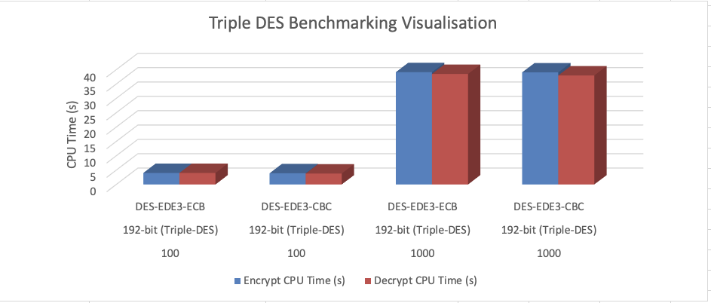
Cipher | Key Size | Mode | Data Size (MB) | Encrypt CPU Time (s) | Decrypt CPU Time (s) | Total CPU Time (s)
DES-EDE3-ECB | 192-bit | ECB | 100 | 4.014311 | 4.011015 | 8.025326
DES-EDE3-CBC | 192-bit | CBC | 100 | 3.913051 | 3.806159 | 7.71921
DES-EDE3-ECB | 192-bit | ECB | 1000 | 39.136848 | 38.51319 | 77.650038
DES-EDE3-CBC | 192-bit | CBC | 1000 | 39.055019 | 37.995055 | 77.050074

